Throughput by Time
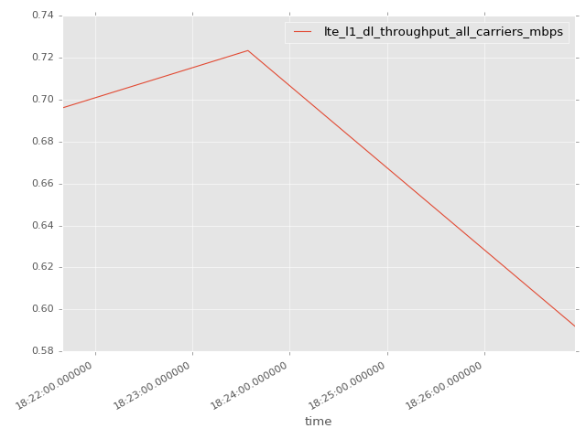
App Throughput by Time Graph | LTE Throughput by Time Graph

lte_l1_dl_throughput_all_carri
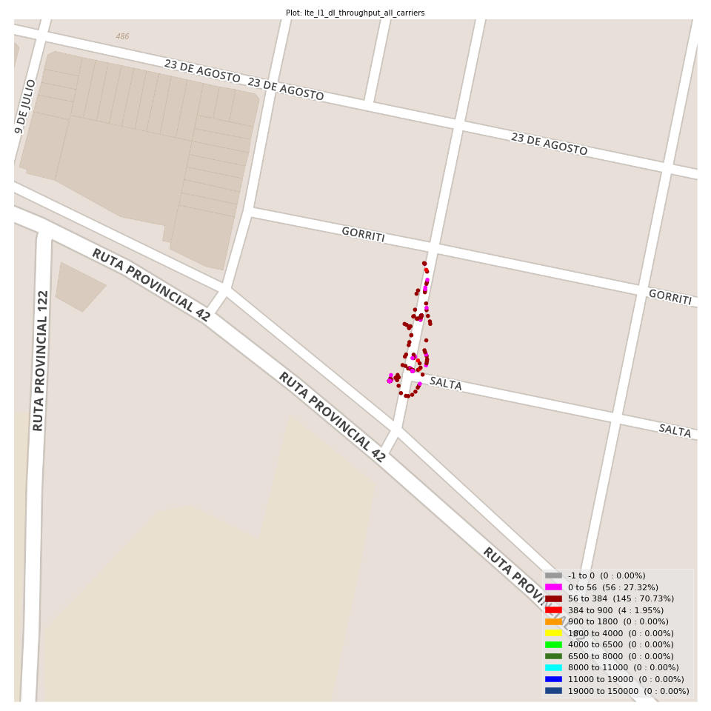
lte_l1_dl_throughput_all_carriers Report

Sampling Distribution Histogram
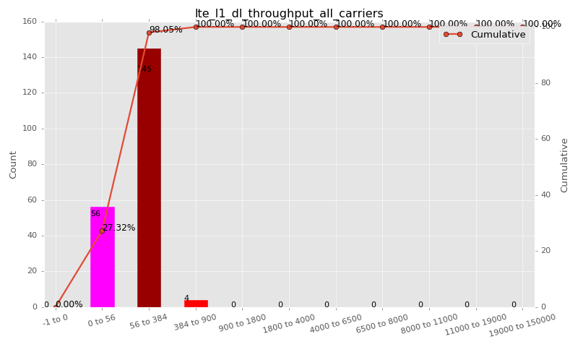

Sampling Distribution Table (first 10 ranges)
ColorXml | Lower | Upper | N Samples | Range | % | Cumulative %
 | -1 | 0 | 0 | -1 to 0 | 0.00 | 0.00
 | 0 | 56 | 56 | 0 to 56 | 27.32 | 27.32
 | 56 | 384 | 145 | 56 to 384 | 70.73 | 98.05
 | 384 | 900 | 4 | 384 to 900 | 1.95 | 100.00
 | 900 | 1800 | 0 | 900 to 1800 | 0.00 | 100.00
 | 1800 | 4000 | 0 | 1800 to 4000 | 0.00 | 100.00
 | 4000 | 6500 | 0 | 4000 to 6500 | 0.00 | 100.00
 | 6500 | 8000 | 0 | 6500 to 8000 | 0.00 | 100.00
 | 8000 | 11000 | 0 | 8000 to 11000 | 0.00 | 100.00
 | 11000 | 19000 | 0 | 11000 to 19000 | 0.00 | 100.00

Basic statistics
N | 205
Mean | 106.17
SD | 97.21
MAX | 723.33
Median | 80.00
Min | 5.71

Geographical Plot

lte_inst_rsrp_1
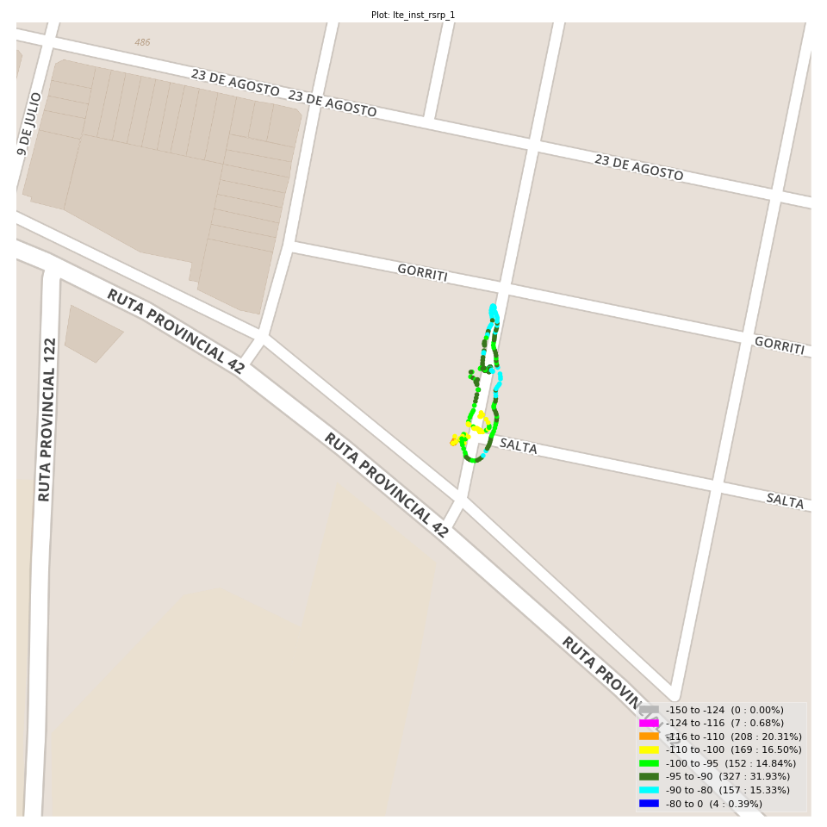
lte_inst_rsrp_1 Report

Sampling Distribution Histogram
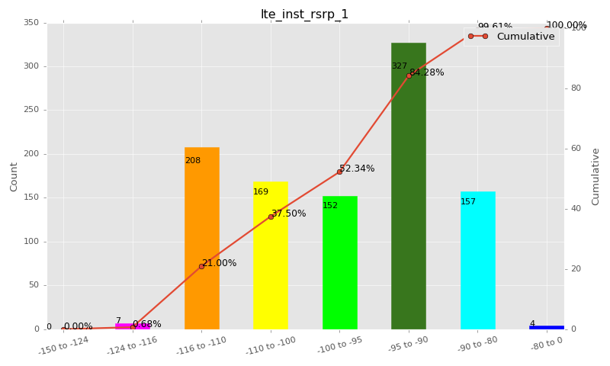

Sampling Distribution Table (first 10 ranges)
ColorXml | Lower | Upper | N Samples | Range | % | Cumulative %
 | -150 | -124 | 0 | -150 to -124 | 0.00 | 0.00
 | -124 | -116 | 7 | -124 to -116 | 0.68 | 0.68
 | -116 | -110 | 208 | -116 to -110 | 20.31 | 21.00
 | -110 | -100 | 169 | -110 to -100 | 16.50 | 37.50
 | -100 | -95 | 152 | -100 to -95 | 14.84 | 52.34
 | -95 | -90 | 327 | -95 to -90 | 31.93 | 84.28
 | -90 | -80 | 157 | -90 to -80 | 15.33 | 99.61
 | -80 | 0 | 4 | -80 to 0 | 0.39 | 100.00

Basic statistics
N | 1024
Mean | -98.27
SD | 9.11
MAX | -77.69
Median | -95.34
Min | -117.25

Geographical Plot

lte_inst_rsrq_1
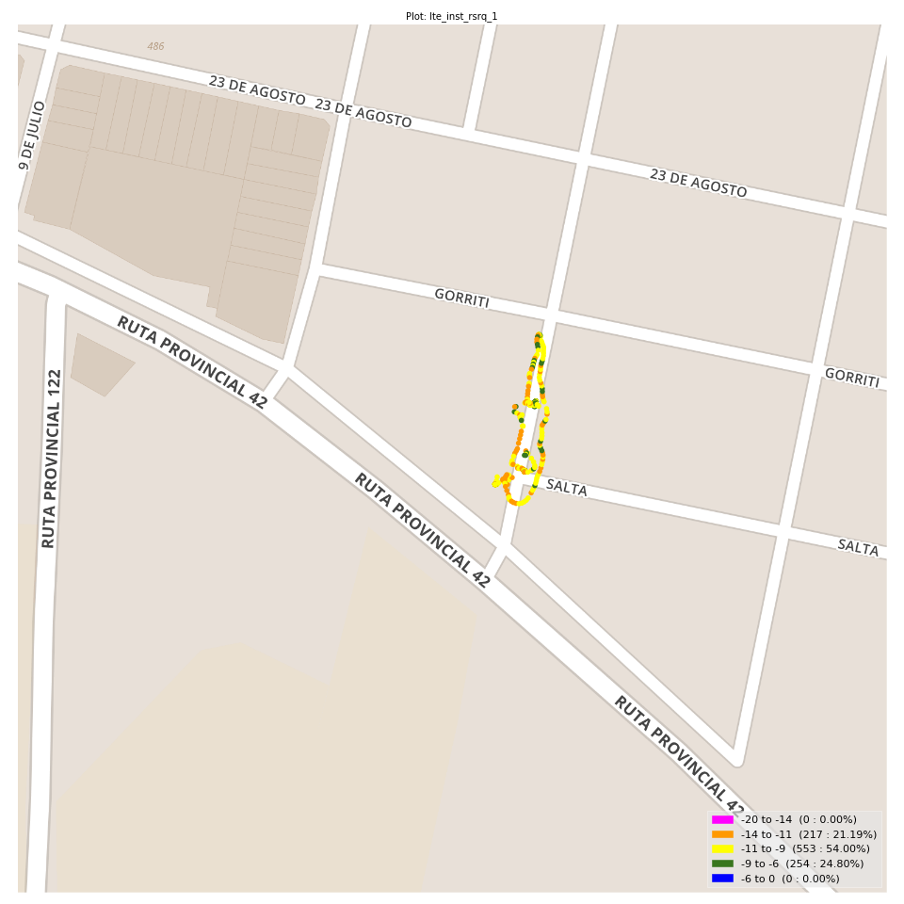
lte_inst_rsrq_1 Report

Sampling Distribution Histogram
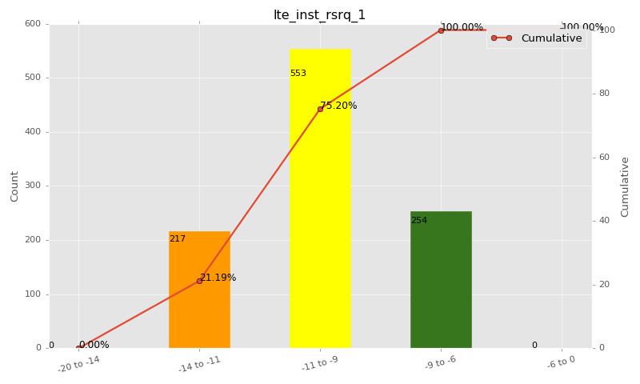

Sampling Distribution Table (first 10 ranges)
ColorXml | Lower | Upper | N Samples | Range | % | Cumulative %
 | -20 | -14 | 0 | -20 to -14 | 0.00 | 0.00
 | -14 | -11 | 217 | -14 to -11 | 21.19 | 21.19
 | -11 | -9 | 553 | -11 to -9 | 54.00 | 75.20
 | -9 | -6 | 254 | -9 to -6 | 24.80 | 100.00
 | -6 | 0 | 0 | -6 to 0 | 0.00 | 100.00

Basic statistics
N | 1024
Mean | -9.95
SD | 1.29
MAX | -6.69
Median | -9.90
Min | -13.81

Geographical Plot

lte_inst_rssi_1
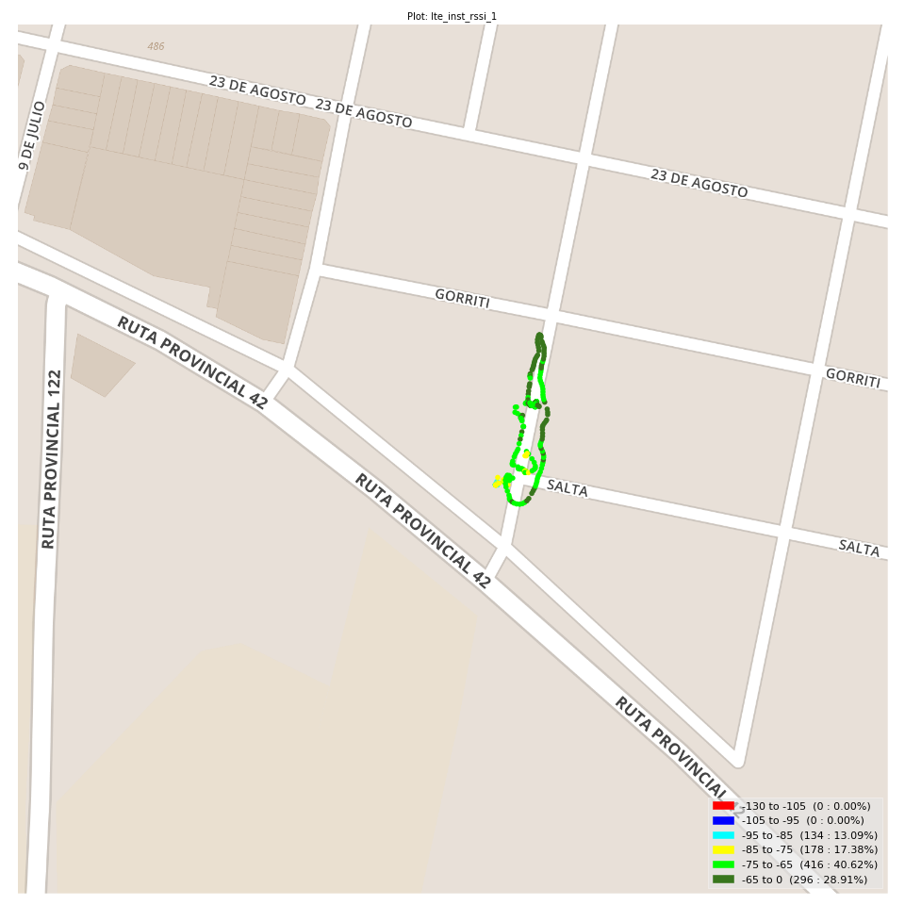
lte_inst_rssi_1 Report

Sampling Distribution Histogram
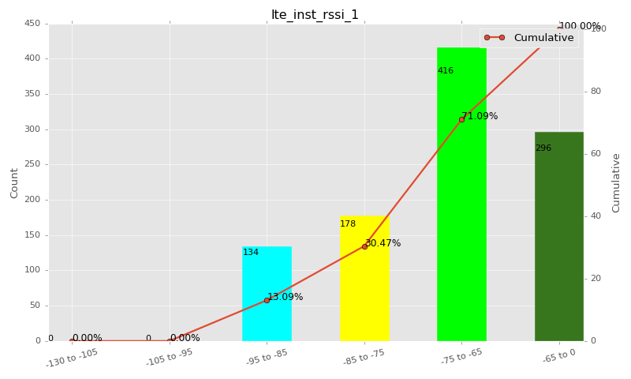

Sampling Distribution Table (first 10 ranges)
ColorXml | Lower | Upper | N Samples | Range | % | Cumulative %
 | -130 | -105 | 0 | -130 to -105 | 0.00 | 0.00
 | -105 | -95 | 0 | -105 to -95 | 0.00 | 0.00
 | -95 | -85 | 134 | -95 to -85 | 13.09 | 13.09
 | -85 | -75 | 178 | -85 to -75 | 17.38 | 30.47
 | -75 | -65 | 416 | -75 to -65 | 40.62 | 71.09
 | -65 | 0 | 296 | -65 to 0 | 28.91 | 100.00

Basic statistics
N | 1024
Mean | -70.96
SD | 9.18
MAX | -51.69
Median | -68.06
Min | -89.69

Geographical Plot

lte_sinr_rx0_1
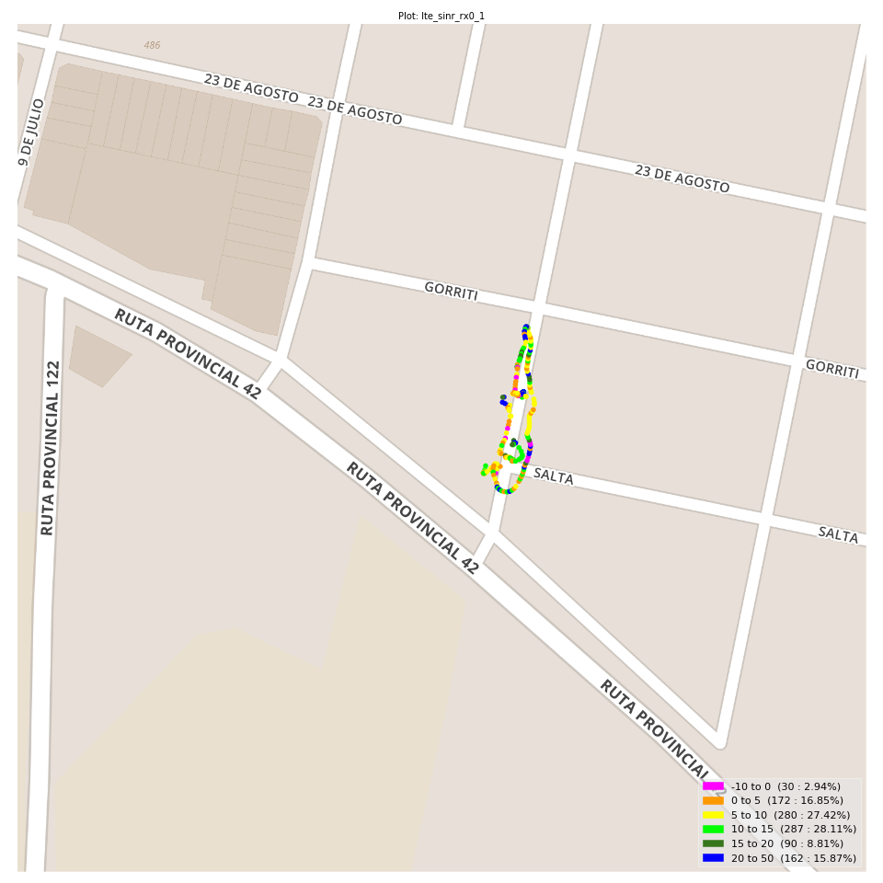
lte_sinr_rx0_1 Report

Sampling Distribution Histogram
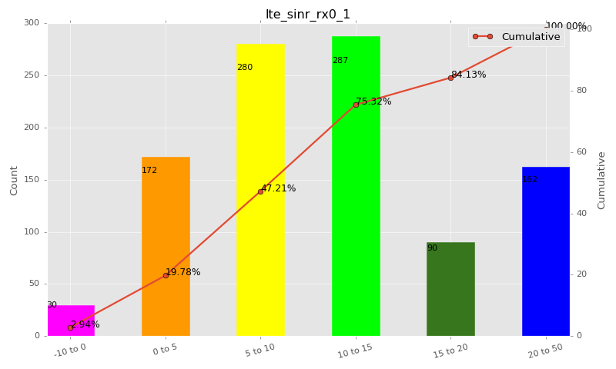

Sampling Distribution Table (first 10 ranges)
ColorXml | Lower | Upper | N Samples | Range | % | Cumulative %
 | -10 | 0 | 30 | -10 to 0 | 2.94 | 2.94
 | 0 | 5 | 172 | 0 to 5 | 16.85 | 19.78
 | 5 | 10 | 280 | 5 to 10 | 27.42 | 47.21
 | 10 | 15 | 287 | 10 to 15 | 28.11 | 75.32
 | 15 | 20 | 90 | 15 to 20 | 8.81 | 84.13
 | 20 | 50 | 162 | 20 to 50 | 15.87 | 100.00

Basic statistics
N | 1021
Mean | 11.66
SD | 7.87
MAX | 30.00
Median | 10.51
Min | -8.75

Geographical Plot

lte_sinr_rx1_1

lte_sinr_rx1_1 Report

Sampling Distribution Histogram
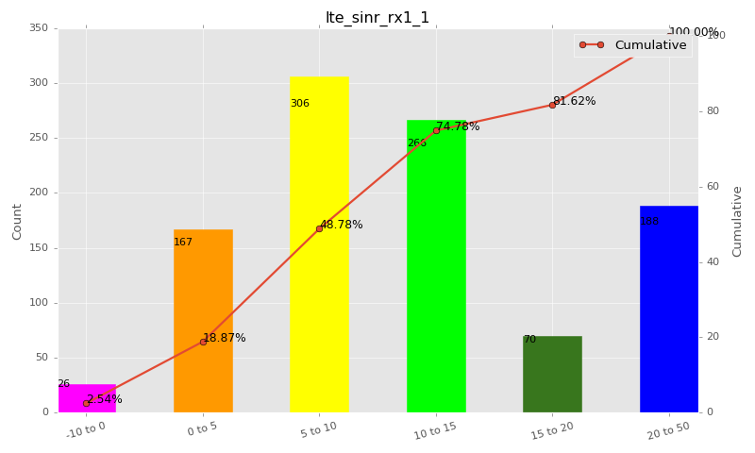

Sampling Distribution Table (first 10 ranges)
ColorXml | Lower | Upper | N Samples | Range | % | Cumulative %
 | -10 | 0 | 26 | -10 to 0 | 2.54 | 2.54
 | 0 | 5 | 167 | 0 to 5 | 16.32 | 18.87
 | 5 | 10 | 306 | 5 to 10 | 29.91 | 48.78
 | 10 | 15 | 266 | 10 to 15 | 26.00 | 74.78
 | 15 | 20 | 70 | 15 to 20 | 6.84 | 81.62
 | 20 | 50 | 188 | 20 to 50 | 18.38 | 100.00

Basic statistics
N | 1023
Mean | 11.85
SD | 8.10
MAX | 30.00
Median | 10.10
Min | -4.20

Geographical Plot

lte_physical_cell_id_1
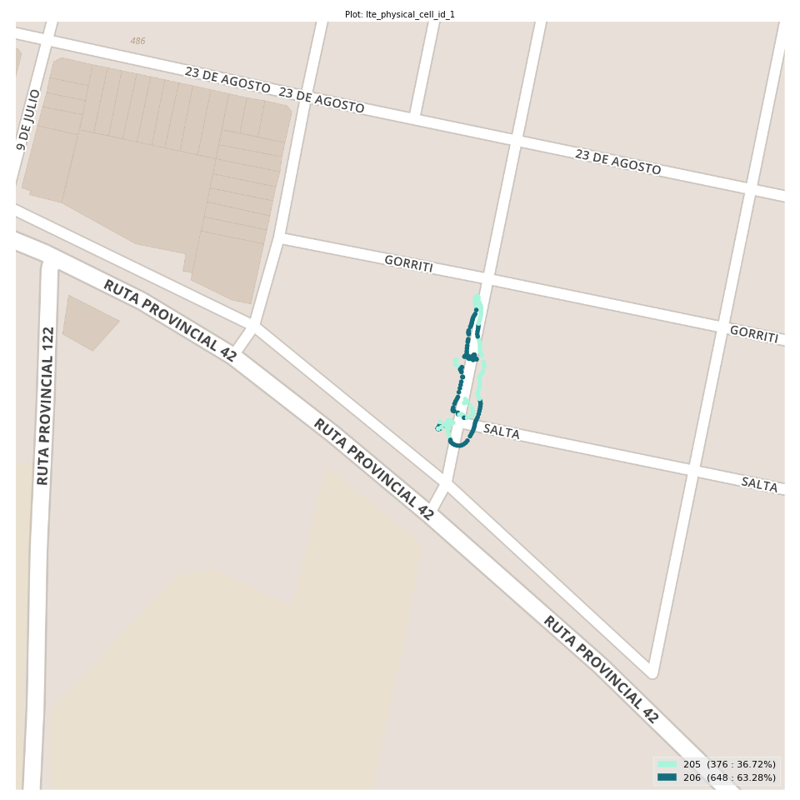
lte_physical_cell_id_1 Report

Sampling Distribution Histogram
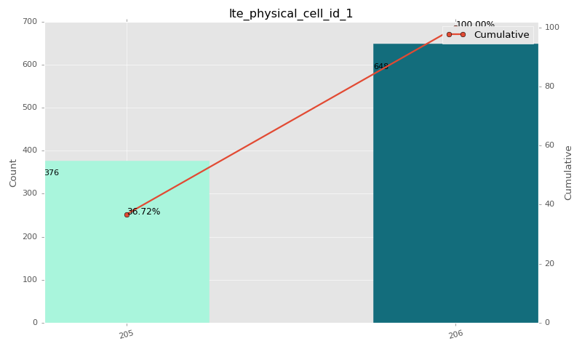

Sampling Distribution Table (first 10 ranges)
ColorXml | Lower | Upper | match_value | N Samples | Range | % | Cumulative %
 |  |  | 205 | 376 |  | 36.72 | 36.72
 |  |  | 206 | 648 |  | 63.28 | 100.00

Basic statistics
N | 1024
Mean | N/A (id-type column: lte_physical_cell_id_1)
SD | N/A (id-type column: lte_physical_cell_id_1)
MAX | N/A (id-type column: lte_physical_cell_id_1)
Median | N/A (id-type column: lte_physical_cell_id_1)
Min | N/A (id-type column: lte_physical_cell_id_1)

Geographical Plot

lte_earfcn_1
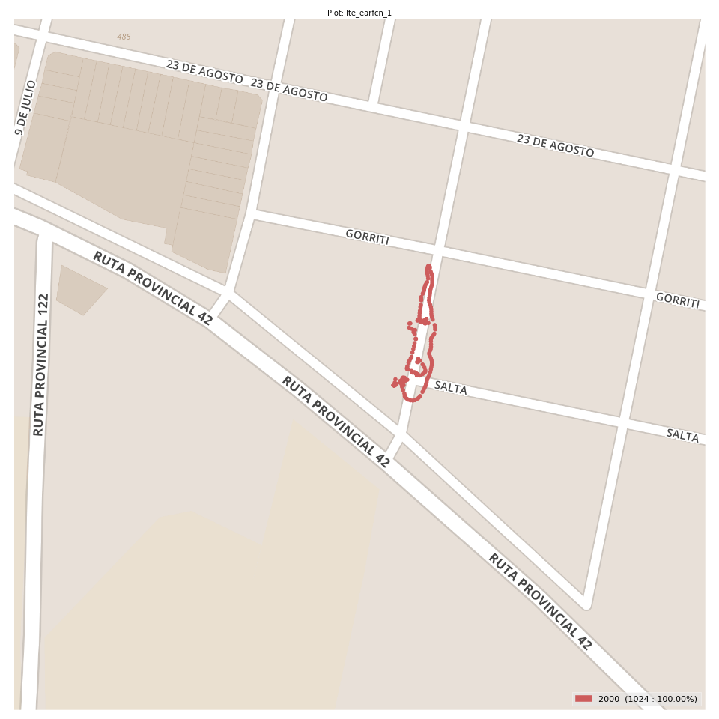
lte_earfcn_1 Report

Sampling Distribution Histogram
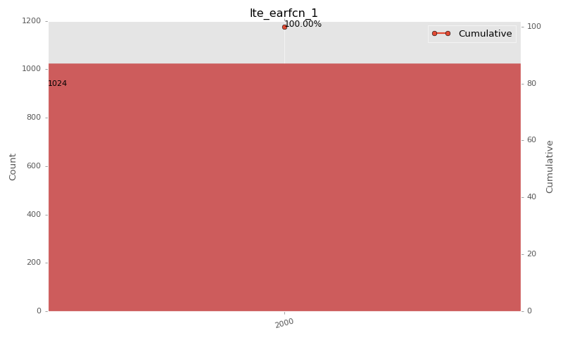

Sampling Distribution Table (first 10 ranges)
ColorXml | Lower | Upper | match_value | N Samples | Range | % | Cumulative %
 |  |  | 2000 | 1024 |  | 100.00 | 100.00

Basic statistics
N | 1024
Mean | N/A (id-type column: lte_earfcn_1)
SD | N/A (id-type column: lte_earfcn_1)
MAX | N/A (id-type column: lte_earfcn_1)
Median | N/A (id-type column: lte_earfcn_1)
Min | N/A (id-type column: lte_earfcn_1)

Geographical Plot

